RESULTS
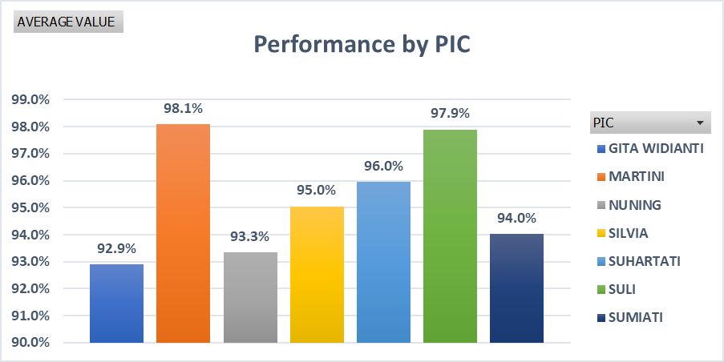
WO PURCHASING - MONTHLY

 | NO | PIC | Januari | AVERAGE
 | 1 | NUNING | 93.3% | 93.3%
 | 2 | GITA WIDIANTI | 92.9% | 92.9%
 | 3 | SUMIATI | 94.0% | 94.0%
 | 4 | SULI | 97.9% | 97.9%
 | 5 | SILVIA | 95.0% | 95.0%
 | 6 | MARTINI | 98.1% | 98.1%
 | 7 | SUHARTATI | 96.0% | 96.0%

